Cenek et al. 1997
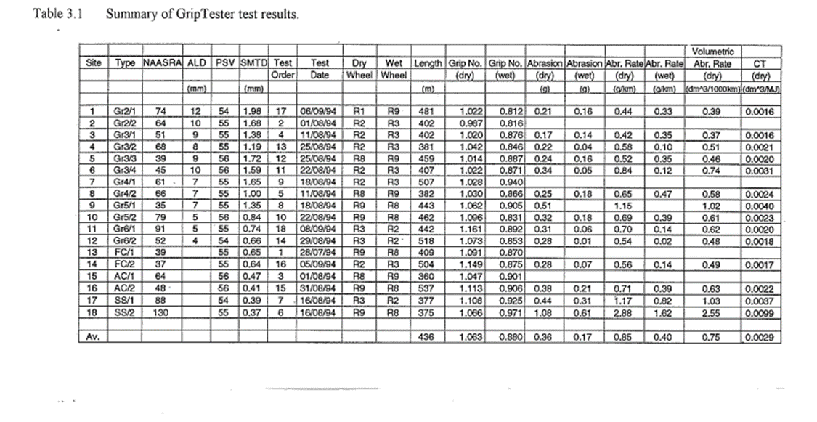
 | Abr. Rate dry (g/km) | Abr. Rate. dm^3 / 1000km | CT (dm^3 /MJ) | tyre wear density g /dm^3 | abrasion coefficient (g / MJ) | abrasion coefficient (mg / KJ) | Friction per km (kJ/km)
1 | 0.44 | 0.39 | 0.0016 | 1128.2051282 | 1.8051282051 | 1.8051282051 | 4102.5641026
2
3 | 0.42 | 0.37 | 0.0016 | 1135.1351351 | 1.8162162162 | 1.8162162162 | 4324.3243243
4 | 0.58 | 0.51 | 0.0021 | 1137.254902 | 2.3882352941 | 2.3882352941 | 4117.6470588
5 | 0.52 | 0.46 | 0.002 | 1130.4347826 | 2.2608695652 | 2.2608695652 | 4347.826087
6 | 0.84 | 0.74 | 0.0031 | 1135.1351351 | 3.5189189189 | 3.5189189189 | 4189.1891892
7
8 | 0.65 | 0.58 | 0.0024 | 1120.6896552 | 2.6896551724 | 2.6896551724 | 4137.9310345
9 | 1.15 | 1.02 | 0.004 | 1127.4509804 | 4.5098039216 | 4.5098039216 | 3921.5686275
10 | 0.69 | 0.61 | 0.0023 | 1131.147541 | 2.6016393443 | 2.6016393443 | 3770.4918033
11 | 0.7 | 0.62 | 0.002 | 1129.0322581 | 2.2580645161 | 2.2580645161 | 3225.8064516
12 | 0.54 | 0.48 | 0.0018 | 1125 | 2.025 | 2.025 | 3750
13
14 | 0.56 | 0.49 | 0.0017 | 1142.8571429 | 1.9428571429 | 1.9428571429 | 3469.3877551
15
16 | 0.71 | 0.63 | 0.0022 | 1126.984127 | 2.4793650794 | 2.4793650794 | 3492.0634921
17 | 1.17 | 1.03 | 0.0037 | 1135.9223301 | 4.2029126214 | 4.2029126214 | 3592.2330097
18 | 2.88 | 2.55 | 0.0099 | 1129.4117647 | 11.181176471 | 11.181176471 | 3882.3529412

